Instructions
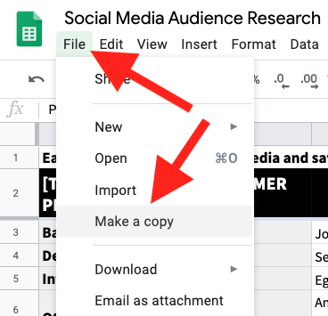
Activity 2 - Customer Persona

 | Activity Brief | Conduct a Market Survey and create a Customer Persona related to the brand assigned to your group. Create a Customer Persona sheet for your brand by duplicating the given sheet. Your information must be relevant to the products and services the brand assigned to your group offers.

 | Activity Brief Link | https://docs.google.com/document/d/1uln3cj0vkc7QdGMqVdaWshBduDv46jZevBl3IF4tnf0/edit?usp=sharing

 | Submission Detail | - The mentee should make a copy of the given workbook and fill in the required information. - Submit the finished activity in the form of an Excel Sheet on the MyCaptain Webapp. - Deadline: 24 hours from the end of Live Class.

 | How to use this Google Shpread Sheet? | - Click on "File" - Click on "Make a Copy" - Work on the newly created Copy of the Sheet. - Once you are done with the activity, click on "Share", change the General access to "Anyone with the link" and "Viewer"

 |  | How to make a copy of a workbook (Tutorial)
 |  | How to share access to your workbook (Tutorial)

